Sheet1
 | Power Inductor Design_DR type
 | — YuYang Magnetic Co., Ltd
 | Email: carlkuo@yetcoil.hk Website:https://www.yetcoil.com
Fig. | 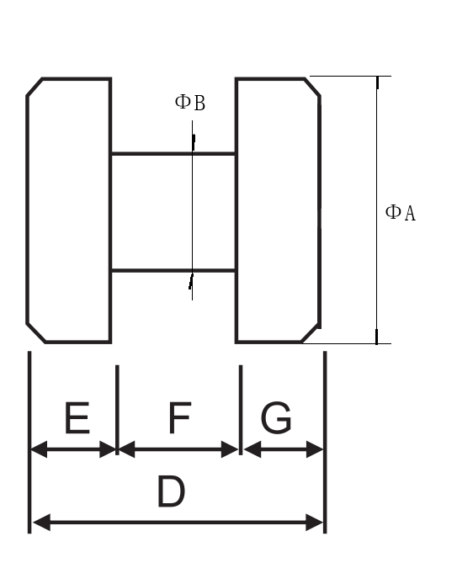 |  |  | 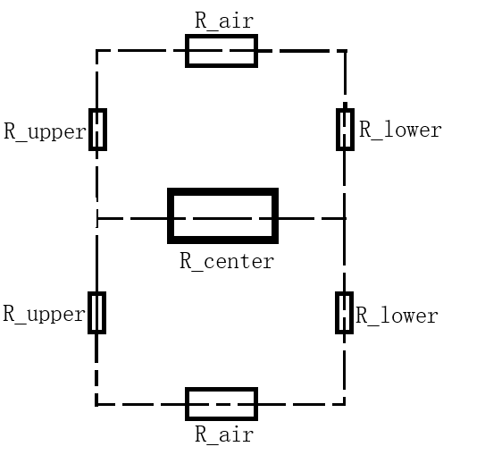
 | Dimensional |  |  | Equivalent Magnetic Circuit

 | Item | Symbol | Data | Unit | Remark
Core Parameters | Initial Permeability | μi | 400
 | Vacuum Permeability | μ₀ | 0.0012566 | uH/mm
 | Central Post Diameter | ΦB | 7.6 | mm
 | Central Post Height | F | 10 | mm
 | Upper Base Diameter | ΦA | 14 | mm
 | Upper Base Height | E | 2.5 | mm
 | Lower Base Diameter | ΦA | 14 | mm
 | Lower Base Height | G | 2.5 | mm
 | Total Core Height | D | 15 | mm
 | Effective Cross-Sectional Area | A_e | 45.36 | mm2
 | Window Area for windings | S3 | 32.00 | mm2
 | Permeability of Core Material | μ_r | 0.5026 | uH/mm
 | Magnetic Reluctance_R_center | R_center | 0.4386 | 1/uH
 | Magnetic Reluctance_R_upper | R_upper | 0.0774 | 1/uH
 | Magnetic Reluctance_R_lower | R_lower | 0.0774 | 1/uH
 | Magnetic Reluctance_R_air | R_air | 25.8488 | 1/uH
 | Magnetic Reluctance_R_total | R_total | 13.4016 | 1/uH
 | AL Value | AL | 74.6 | nH/T2
Electrical Parameters | Rated Current | I_rms | 1.0 | A
 | Current Density | J | 4.0 | A/mm2 | Recommended range：3～8
 | Conductor Cross-Sectional Area | S1 | 0.3 | mm2
 | Wire Diameter | ΦD | 0.56 | mm
 | Number of Turns | N | 10 | Ts
 | Inductance | L | 7.5 | uH
 | Window Utilization Factor | K_u | 0.65
 | Winding Cross-Sectional Area | S2 | 2.5 | mm2
 | Window Utilization | α | 12.0% |  | Recommended range：<60%
* Only the light green cells are permitted for editing.

